AUC and RUC
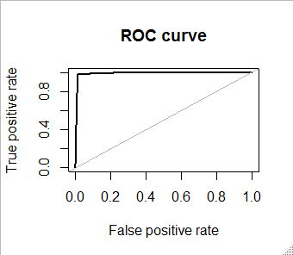
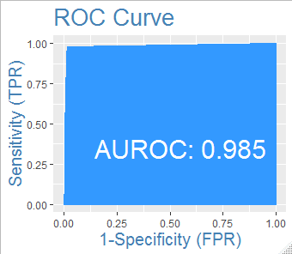
> roc.curve(test_evaluation$Disbursed, test_evaluation$Prob, plotit = T) | > AUROC(test_evaluation$Disbursed, test_evaluation$Prob)

Area under the curve (AUC): 0.991 | [1] 0.9850091

